OT request form
 |  |  |  |  |  |  |  |  |  | Request No : | 20240513083550
TORAY INTERNATIONAL VIETNAM COMPANY LIMITED - QUANG NGAI BRANCH CÔNG TY TNHH TORAY INTERNATIONAL VIỆT NAM CN QUẢNG NGÃI No. 09, Tu Do Boulevard, VSIP/ Số 09, Đại Lộ Tự Do, KCN Việt Nam - Singapore Tinh Tho Commune, Son Tinh District/ Xã Tịnh Thọ, Huyện SơnTịnh Quang Ngai Province, Viet Nam/ Tỉnh Quãng Ngãi, Việt Nam |  |  |  |  |  |  |  |  |  |  |  |  | "HƯỚNG DẪN: Đảm bảo máy tính đang kết nối internet Bước 1 : Nhập các thông tin : Ngày yêu cầu, ngày & giờ tăng ca, 4 số cuối của mã nhân viên, lý do. Bước 2 : Bấm biểu tượng LƯU => File PDF sẽ tự động được tạo & lưu cùng thư mục với file EXCEL Bước 3: Copy file PDF đến server (ổ đĩa O trên máy tính) Bấm biểu tượng XÓA để xóa các thông tin hiện tại, lặp lại các bước trên để tạo đăng ký mới
OVERTIME/HOLIDAY WORK APPLICATION FORM |  |  |  |  |  |  |  |  |  |  |  |  | MỤC LÝ DO, GIẢI TRÌNH : NHẬP VĂN BẢN
BẢN ĐĂNG KÝ LÀM THÊM GIỜ |  |  |  |  |  |  |  |  |  |  |  |  | CÁC MỤC KHÁC CHỈ ĐƯỢC CHỌN TỪ DANH SÁCH
 |  |  |  |  |  |  |  |  |  |  |  |  | CÁC TRƯỜNG HỢP NHẬP SAI THÔNG TIN SẼ KHÔNG ĐƯỢC GHI NHẬN :
Date/ Ngày yêu cầu: |  |  | 13-May-24 | ( It must be approved by 15:00 / Phải được phê duyệt trước 15 giờ) |  |  |  |  |  |  |  |  | - Nhập ngày nhưng thiếu thời gian
OT Location/Địa điểm làm thêm : TORAY INTERNATIONAL VIETNAM COMPANY LIMITED - QUANG NGAI BRANCH/ CÔNG TY TNHH TORAY INTERNATIONAL VIỆT NAM CN QUẢNG NGÃI |  |  |  |  |  |  |  |  |  |  |  |  | - Nhập thời gian nhưng thiếu ngày
Section.: |  | Production |  |  |  |  |  |  |  | Group: | Line 01 |  | - Thiếu mã QR
Bộ phận |  |  |  |  |  |  |  |  |  | Nhóm
Date/Ngày |  | 13-May-24 |  |  | OT From/Làm thêm từ |  | 17:00 | To/ Đến: | 19:00:00 | Total Time: | 2.0 | (150%/200%/300%) | KHÔNG SỬA ĐỊNH DẠNG FILE, NẾU PHÁT SINH LỖI HÃY TẮT & MỞ LẠI
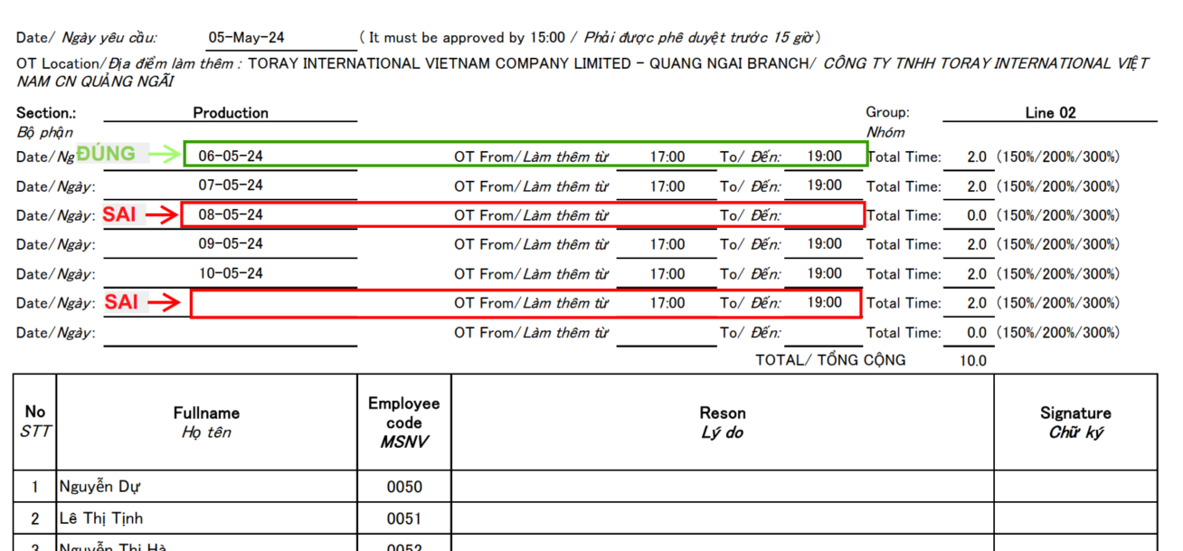
Date/Ngày: |  |  |  |  | OT From/Làm thêm từ |  |  | To/ Đến: |  | Total Time: | 0.0 | (150%/200%/300%)
Date/Ngày: |  |  |  |  | OT From/Làm thêm từ |  |  | To/ Đến: |  | Total Time: | 0.0 | (150%/200%/300%)
Date/Ngày: |  |  |  |  | OT From/Làm thêm từ |  |  | To/ Đến: |  | Total Time: | 0.0 | (150%/200%/300%)
Date/Ngày: |  |  |  |  | OT From/Làm thêm từ |  |  | To/ Đến: |  | Total Time: | 0.0 | (150%/200%/300%)
Date/Ngày: |  |  |  |  | OT From/Làm thêm từ |  |  | To/ Đến: |  | Total Time: | 0.0 | (150%/200%/300%)
Date/Ngày: |  |  |  |  | OT From/Làm thêm từ |  |  | To/ Đến: |  | Total Time: | 0.0 | (150%/200%/300%)
 |  |  |  |  |  |  |  | TOTAL/ TỔNG CỘNG |  |  | 2.0
No | Fullname Họ tên |  |  | Employee code MSNV | Reson Lý do |  |  |  |  |  |  | Signature Chữ ký
STT
1 | Cao Thị Nhung |  |  | 0009
2
3
4
5
6
7
8
9
10
11
12
13
14
15
16
17
18
19
20
Other justifications/explanation (Giải trình khác):

 |  | Prepaired by: |  |  |  | Reviewed by: |  |  |  |  | Approved by:
 |  | Xem xét bởi |  |  |  | Chấp thuận bởi |  |  |  |  | Phê duyệt bởi

 |  | Leader |  |  |  | Department Manager |  |  |  |  | Factory Manager
 |  | Trưởng nhóm |  |  |  | Trưởng Bộ Phận |  |  |  |  | Giám đốc Nhà máy

